PROJECT
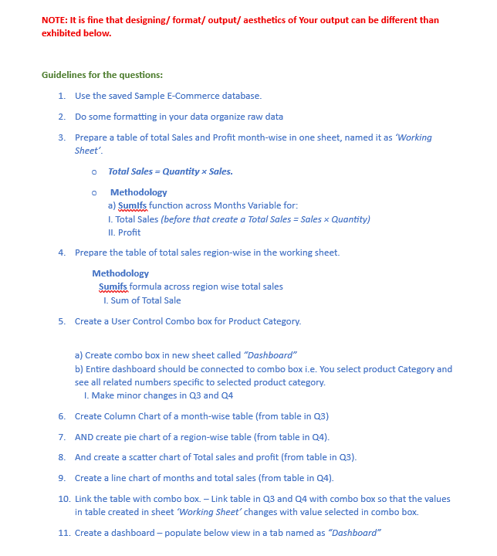

Dashboard
 | E-Commerce Sales Dashboard (Excel Project)
 | Total Sales
East | 102704.9
West | 65240.88
South | 117458.93
North | 72868.13
 |  |  | Electronics
 |  |  | Home & Kitchen
 |  |  | Clothing
1 |  |  | Beauty

Total Sales / Profit
 | Profit
14169.81 | 870.68
30847.23 | 938.95
14754.04 | 670.95
46670.41 | 1768.06
18460.36 | 880.6
18923.31 | 985.55
32190.86 | 1768.06
26929.13 | 880.6
23789.27 | 1044.5
20898.48 | 1532.65
34170.66 | 2721.21
21761.42 | 985.55
Month-Wise
 | Total Sales | Profit
January | 14169.81 | 870.68
June | 30847.23 | 938.95
September | 14754.04 | 670.95
July | 46670.41 | 1768.06
December | 18460.36 | 880.6
April | 18923.31 | 985.55
July | 32190.86 | 1768.06
December | 26929.13 | 880.6
March | 23789.27 | 1044.5
February | 20898.48 | 1532.65
October | 34170.66 | 2721.21
April | 21761.42 | 985.55
 |  | Electronics

 | Total Sales
January | 14169.81
June | 30847.23
September | 14754.04
July | 46670.41
December | 18460.36
April | 18923.31
July | 32190.86
December | 26929.13
March | 23789.27
February | 20898.48
October | 34170.66
April | 21761.42

